Sheet1
BUG REPORT

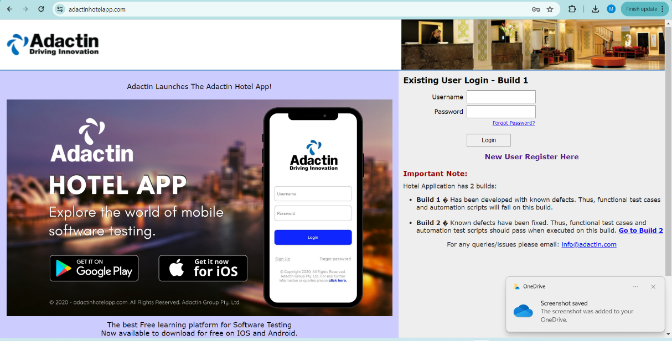
Category | Label | Value
Bug ID | ID Number | #3
 | Name | Image Bug
 | Reporter | Meera Alkhatib
 | Submit Date | 2024-05-23
Bug Overview | Summary | The issue is that the advertisement image is taking up a large capacity of the login page
 | URL | https://adactinhotelapp.com/
 | Screenshot
Environment | Platform | Web
 | Operating System | Windows 11 Version 21H2 (OS Build 22000.2176)
 | Browser | Google Chrome Version 124.0.6367.63 (Official Build) (64-bit)
Bug Details | Steps to reproduce | 1. Open the https://adactinhotelapp.com/ , 2. Observe a large image for an ad for the website app in the login page
 | Expected Result | The advertisement for the website's app is either on another page, or is in the login page but doesn’t take a large space.
 | Actual Result | The advertisement for the website's app is taking a most of the login's page space.
 | Description | As a student, I noticed a bug on the login page where a very large image advertising the website's app is taking up so much space, affecting the overall layout and usability of the page.
Bug Tracking | Severity | Medium
 | Assigned to | UI Team
 | Priority | High
Notes | Notes | Adjusting the image size and placement would help improve the login page's visual appeal and usability.

